Sheet1
dataset | PFS' | Prism | GTREE | RWordle-L | Ours
Sensorless_drive_diagnosis | 23.98 | 25.05 | 40.51 | 3.44 | 8.36
Condition_based_maintenance | 9.94 | 6.14 | 25.71 | 4.1 | 5.99
Cup98LRN | 83.69 | 69.77 | 271.21 | 24.38 | 9.91
Google_playstore_sentiment | 6.53 | 748.78 | 1250.77 | 4.03 | 4.49
BeijingPM2.5 | 66.24 | 72.91 | 283.82 | 11.77 | 4.11
Human_activity_recognition | 40.68 | 15.02 | 65.55 | 3.94 | 6.01
Crowd_sourced_mapping | 13.63 | 5.86 | 29.81 | 3.9 | 4.91
Telescope | 41.03 | 37.2 | 90.17 | 3.76 | 9.12
Credit_card_fraud | 33.25 | 35.36 | 72.85 | 9.59 | 11.21
MoCap | 34.4 | 26.84 | 75.4 | 3.28 | 14.23
BlackFriday | 4.53 | 4.82 | 12.38 | 3.88 | 6.23
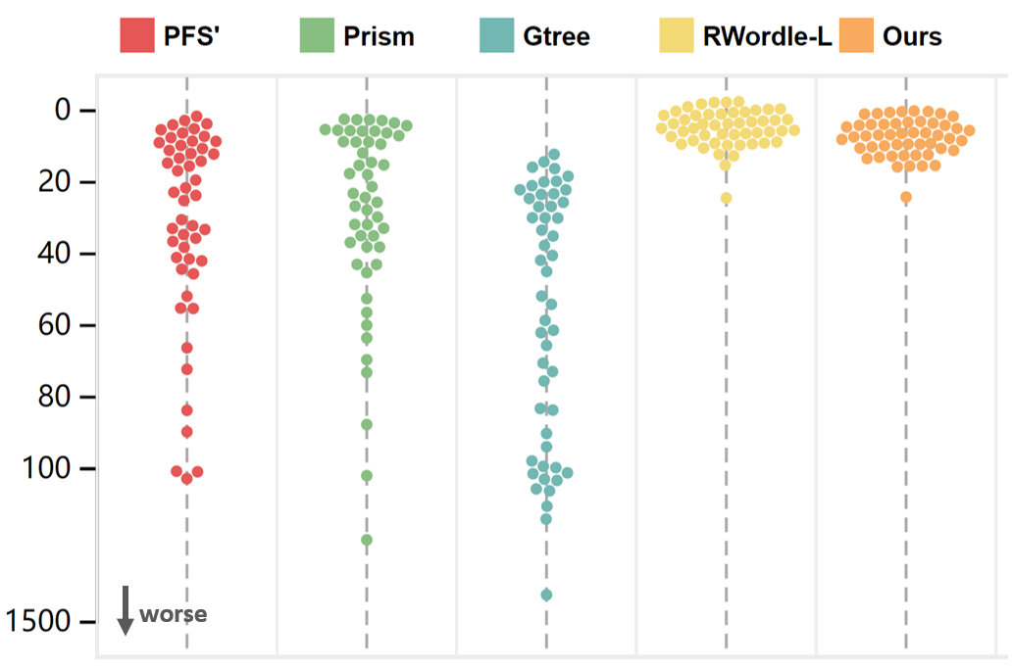
2008_cancelled_flights | 72.23 | 60.22 | 207.53 | 14.96 | 5.28
Barcelona_accident | 9.82 | 36.42 | 83.59 | 4.08 | 5.82
HT_sensor | 19.61 | 17.03 | 35 | 4.27 | 4.53
Epileptic_seizure | 11.18 | 5.32 | 21.68 | 3.9 | 7.34
Terrorism | 89.69 | 163.18 | 448.95 | 4.69 | 7.2
Mnist_tsne | 7.47 | 5.33 | 21.61 | 4.02 | 4.47
Swiss_roll_3d | 7.9 | 10.1 | 25.93 | 3.66 | 5.33
Nomao | 131.27 | 43.23 | 188.4 | 4.7 | 8.34
Person_activity | 22.68 | 25.69 | 44.91 | 3.55 | 5.19
Diamonds | 30.67 | 56.59 | 53.93 | 3.59 | 11.54
Wine | 33.14 | 62.97 | 99.89 | 5.09 | 13.89
Gas_sensor_array_drift | 51.82 | 44.67 | 83.19 | 3.6 | 13.41
Abalone | 11.8 | 21.11 | 33.4 | 3.88 | 5.5
Gesture_phase | 135.65 | 52.48 | 93.87 | 3.73 | 7.44
CS_rankings | 6.65 | 7.27 | 24.36 | 3.86 | 6.57
Satimage | 39.09 | 32.36 | 98.74 | 4.6 | 5.33
Avila | 23.47 | 31.96 | 59.26 | 4.58 | 6.06
Forest_covertype | 36.15 | 30.17 | 51.93 | 3.95 | 7.1
Clothes | 6.82 | 5.02 | 22.38 | 3.99 | 5.27
News_popularity | 12.88 | 5.77 | 22.26 | 4.17 | 9.9
Grammatical_facial_expression | 55.23 | 37.98 | 112.13 | 5.09 | 8.51
Swiss_roll_2d | 15.85 | 14.82 | 37.56 | 4.03 | 6.76
Hathi_trust_library | 13.27 | 5.82 | 22.4 | 4.04 | 6.46
Daily_sports | 43.98 | 87.65 | 133.27 | 3.36 | 5.42
Manhattan | 3.64 | 17.82 | 18.62 | 3.56 | 4.52
Phyllotaxis | 3.78 | 3.92 | 14.51 | 3.78 | 5.42
Basketball | 34.6 | 25.62 | 61.1 | 4.62 | 5.58
Dc_census_citizens | 22.71 | 43.21 | 41.7 | 3.33 | 5.41
Chicago_crimes | 33.32 | 24.3 | 70.61 | 3.55 | 5.23
DBLP_samples | 5.14 | 4.72 | 16.36 | 3.96 | 6.76
Music | 13.07 | 5.58 | 23.77 | 3.7 | 6.9
News | 5.88 | 7.85 | 29.97 | 3.75 | 7.86
Paleontology | 11.6 | 8.09 | 15.55 | 4.27 | 7.73
COVID-19_deaths | 55.14 | 34.27 | 61.53 | 3.24 | 11.27
GridGena | 9.23 | 4.7 | 19.31 | 3.36 | 9.9
GaAsH6 | 45.47 | 4.9 | 25.37 | 4.15 | 8.41
Copter | 8.12 | 4.7 | 29.49 | 4.32 | 6.09
News_aggregator | 174.51 | 15.71 | 552.87 | 5.49 | 5.76
GNFUV | 41.85 | 32.76 | 116.41 | 6.24 | 24.09

